Application Form(2025)
Youth Water Forum 2026 Application Form

 |  |  |  | Application date | / /
 |  |  |  |  | [Year] [Month] [Day]
 | To: Youth Water Forum Secretariat (within the Japan Water Forum)

 | We are submitting the 2026 Video Application Form as follows.

 | 1. Confirm the Terms of Reference for Video Application
 | Please read the "Youth Water Forum 2026 Terms of Reference" |  | and check the box below.
 |  | I have confirmed the "Youth Water Forum 2026 Terms of Reference". Please also check the following points carefully ・The submitted video must be a 3-minute video (between 2:40 and 3:00). ・If using third-party copyrighted materials (such as text, photos, videos, or music), permission from the copyright holder must be obtained, and the source must be clearly indicated within the video. If credit notation is not required, a designated source list must be submitted. ・No generative AI has been used.

 | Only * is an optional field. All other items are mandatory.
 | 2. Information about the applicant and a summary of the video they intend to submit.
 | Video title (Required)

 | Name of organisation, school or indivisual (Required)

* | Name of group
 | Applicant's names (Required) *Your name will be printed on the participation certificate, so please make sure you enter it correctly. *There is no limit to the number of people. If there are not enough lines, please add more and submit on a separate sheet (any format is acceptable). If you wish to remain anonymous, please write "(Anonymous)" after your name. | (Name) | (Grade) |  | (Age)
 |  | (Name) | (Grade) |  | (Age)
 |  | (Name) | (Grade) |  | (Age)
 |  | (Name) | (Grade) |  | (Age)
 | Description of video (approx. 100 words) (Required)
 | ZIP code (Required)
 | Address (Required)
* | Name of place, etc. relevant to the Video
 | Name of responsible person (Required)
 | Telephone number (Required)
 | Email address (Required)

 | 3. The SDG theme(s) to which the video relates (Required)
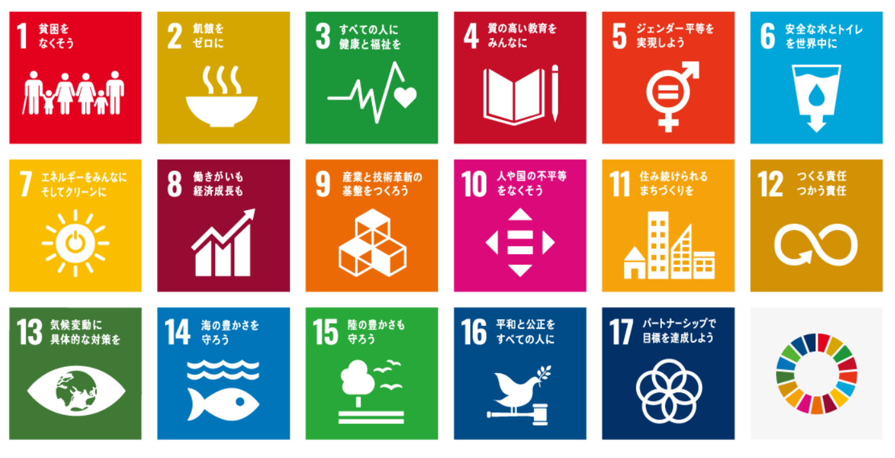
 |  |  | No. field
 |  |  | Multiple choice

 | 4. Please indicate the parties involved in the production of the submitted video, if applicable. (Multiple answers allowed)

* | State/Province
* | Municipalities
* | Ministries and agencies
* | Experts
* | Companies/businesses
* | Private organisations/NPOs
* | Local residents
* | Other
* | Not applicable

 | 5. please state the name and affiliation of any institutions, researchers, etc.
* | (Affiliation)
* | （Name）

 | (Column for use by the Secretariat）

